Dewata Kencana Distribusi (Vdka
DATE | DESCRIPTIONS | QTY | BILLS | UNIT PRICE | TOTAL | STATUS | DUE DATE | Rp650,200
10-Mar-2026 | ICELAND VODKA BLACK TEA 700 ML 40.0% | 4 | 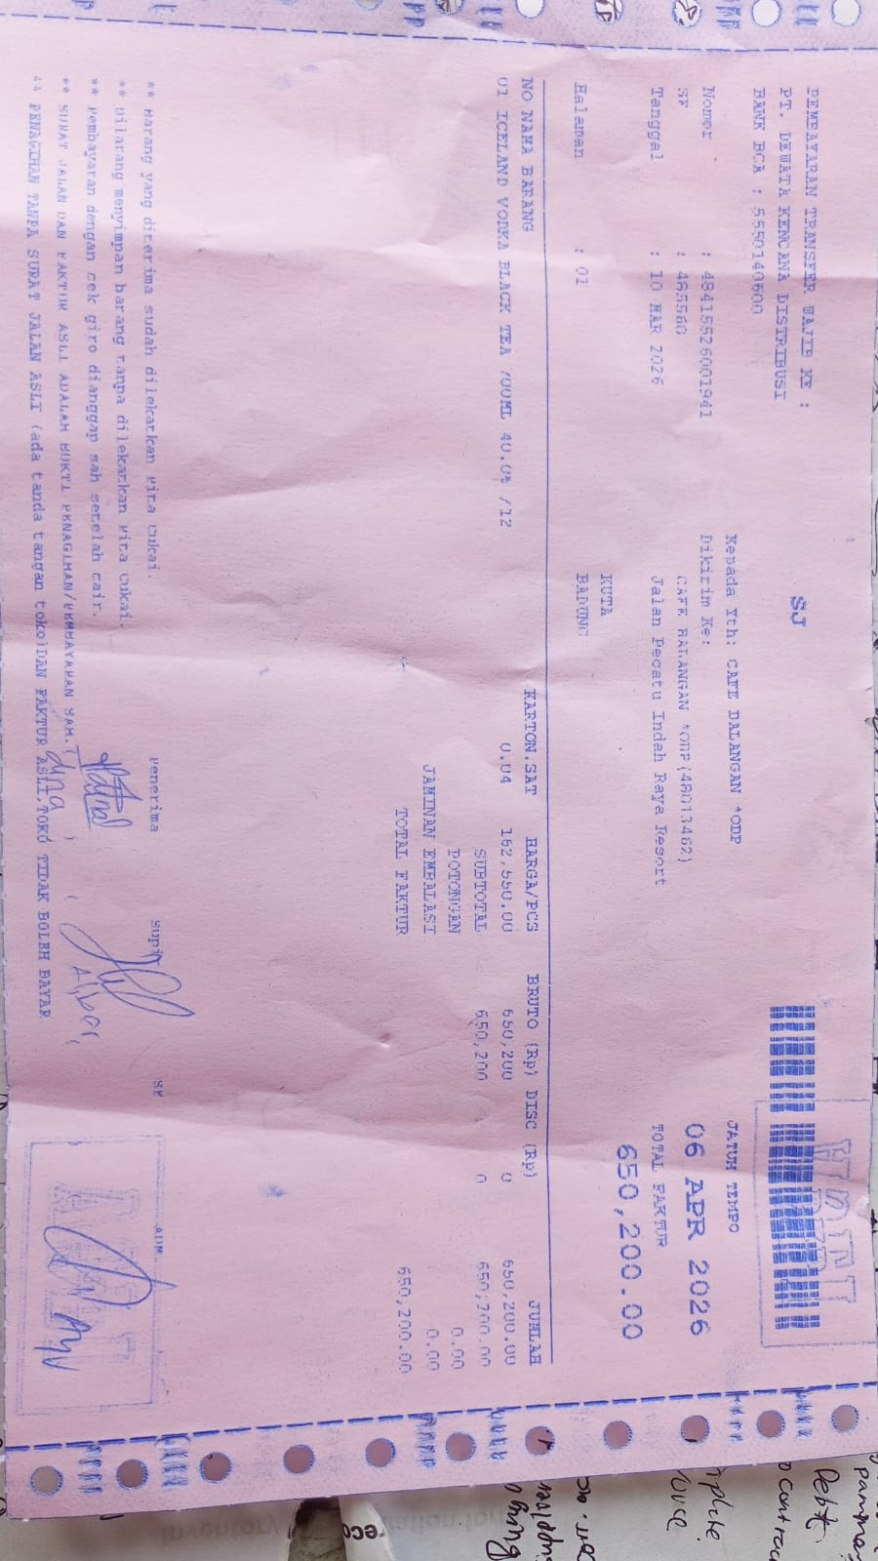 | IDR 162,550 | IDR 650,200 | UNPAID | 6-Apr-2026
TOTAL |  |  |  | Rp650,200

